Sheet1
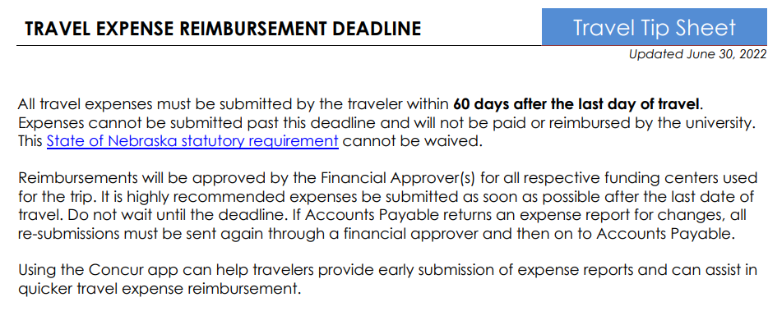
LAST DAY OF TRAVEL Enter the last day of travel in field below: | REIMBURSEMENT DEADLINE Below is the LAST day a traveler can submit their expense report:
9/7/22 | 11/5/22

60-day-travel-reimbursement-deadline.pdf (nebraska.edu)

